IP fragmentation
Length | Remaining | ID | MF Flag | Offset | MTU | Size | ID | Data = size - IP header
1500 | 4000 | x | 1 | 0 | 1500 | 4000 | x | 3980
1500 | 2500 | x | 1 | 185
1500 | 1000 | x | 0 | 370

Length | Remaining | ID | MF Flag | Offset | MTU | Size | ID | Data = size - IP header
1500 | 5540 | 2222 | 1 | 0 | 1500 | 5540 | 2222 | 5520
1500 | 4040 | 2222 | 1 | 185
1500 | 2540 | 2222 | 1 | 370
1500 | 1040 | 2222 | 0 | 555 |  |  |  | http://fixmycode.github.io/IPFCalc/
0 | 0
 |  |  |  |  |  |  |  |  | Q7). IP Packets on a certain network can carry a maximum of only 500 Bytes in the data portion. An application using TCP/IP on a node on this network generates a TCP segment with 1,000 Bytes in the data portion. How many IP packets are transmitted to carry this TCP segment, and what are their sizes (including the header)?

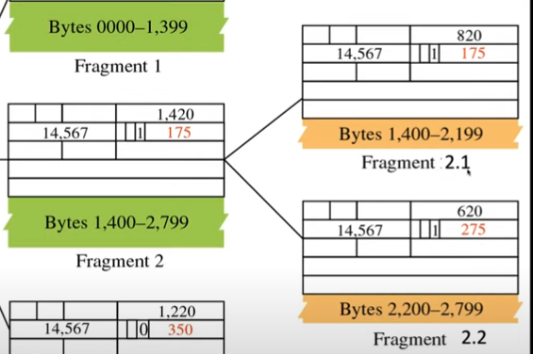

 |  |  |  |  |  |  |  |  | Answer: TCP segment size = Payload + Header = 1020 Bytes. IP packet can carry a maximum of 500 bytes in the data portion. 500 is not exactly divisible by 8 (500/8 = 62.5). We use the lower value 62*8 = 496 bytes. The 3 IP packets will have the following sizes (including the IP headers).

 |  |  |  |  |  |  |  |  | F1: 496 + 20 = 516 Bytes :: Offset=0, MF=1
 |  |  |  |  |  |  |  |  | F2: 496 + 20 = 516 Bytes:: Offset=62, MF=1
 |  |  |  |  |  |  |  |  | F3: 28 + 20 = 48 Bytes :: Offset=124, MF=0

